GVM vs GCM
Hino 57-450 6X4 Truck Tractor. Two options of Hino's premium Truck Tractor are available depending on the choice of suspension and diff ratio. The first can be specified with air suspension and a 4,5 diff ratio and the second is with a diff ratio of 3,9 and steel suspension (alternative options also available). The 450 hp engine has an output of 331 kW @ 1 800 r/min and 2 157 Nm of torque @ 1 100 r/min. It is specified at 28 ton GVM and has a gross combination mass of 57 tons. It too is fitted with an engine retarder and transmission intarder as standard.

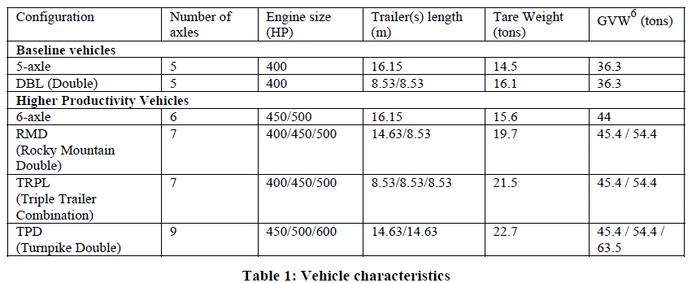
NB: Truck Tractor of 28 ton GVM can have a GCM of 57 tons

TT GVM - includes portion of trailer load on truck chassis | 28
TT tare | 9.1
Axles | 3
Axle load at full GVM | 10.815
tt & trailer & Load (GCM) | 57
Trailer | 13.5
Load | 34.4

tt & trailer & Load | 60
Load | 31.8
TT | 25
Trailer | 3.2

 |  | 14.5 | 36.3 |  | 21.8
 |  | 16.1 | 36.3 |  | 20.2

 |  | 15.6 | 44 | 54.4 | 28.4 | 38.8
 |  | 19.7 | 44 | 54.4 | 24.3 | 34.7
 |  |  |  |  | 0 | 0

Load and FC
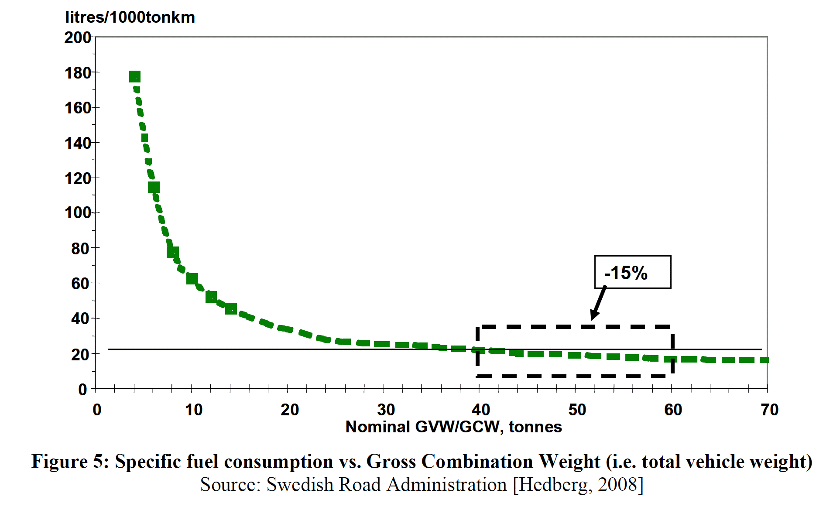
On average, an additional 1000 kg in weight can lead to more than 0.7 l/100km in fuel consumption for a truck-trailer combination on highway cycle. Differences in fuel consumption between 60t vehicles were analysed by the VTT Technical Research Centre of Finland [VTT, 2008] on highway cycle for different load rates. Fuel consumption was found to be around 30, 40 and 50 l/100km respectively for 0-load, 1/2 load and 2/2 load (see Figure 4).

