State Trans Diag
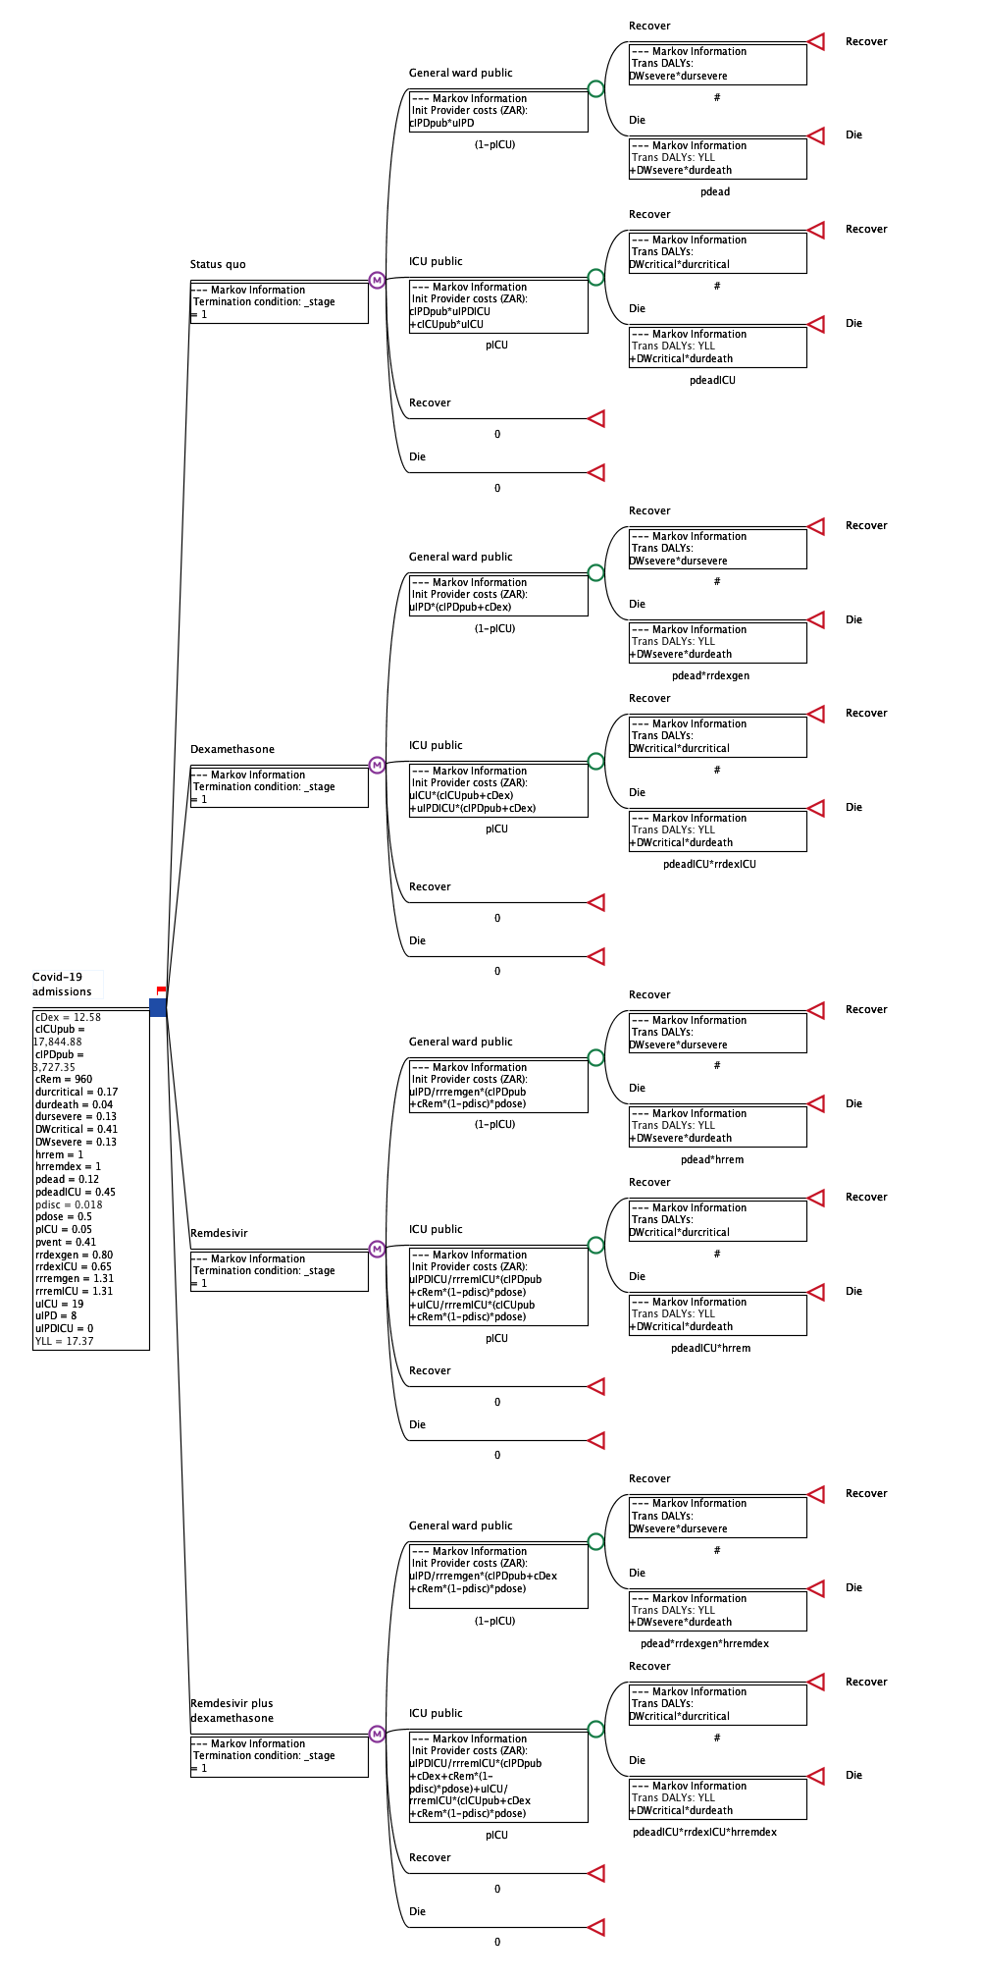
Tree Diagram

