T 2-3
Aim | To estimate the desired kLa values at different % of air saturation and at different cell densities
Table 2-3 | Estimated kLa values for various cell density at 20 % - 50 % of air saturation |  |  |  |  |  |  |  |  |  |  |  |  | OUR | Oxygen Uptake Rate
 |  |  |  |  |  |  |  |  | Calculation for obtaining the kLa values for different % of air saturaion |  |  |  |  | OTR | Oxygen Transfer Rate
$$OTR=OUR=qX$$
kLa (h-1) with air |  |  |  |  |  |  |  |  | General eq 1
$$OTR=kLa (C∗− CL)$$
For Cell density | 20% air saturation |  | 30% air saturation |  | 40% air saturation |  | 50% air saturation |  | General eq 2
$$qX=kLa (C∗− CL)$$
 | Low | high | Low | high | Low | high | Low | high
100 x 106 cells/mL | 31.3 | 500.0 | 35.7 | 571.4 | 41.7 | 666.7 | 50.0 | 800.0 | OUR of Mammalian cells (q) |  | Minimum | Maximum | Unit
10 x 106 cells/mL | 3.1 | 50.0 | 3.6 | 57.1 | 4.2 | 66.7 | 5.0 | 80.0 | (Portner 2015) |  | 5E-11 | 8E-10 | mmol.cell-1.h-1
5 x 106 cells/mL | 1.6 | 25.0 | 1.8 | 28.6 | 2.1 | 33.3 | 2.5 | 40.0
1 x 106 cells/mL | 0.3 | 5.0 | 0.4 | 5.7 | 0.4 | 6.7 | 0.5 | 8.0 |  | As per Eq 1, OTR=qX, Therefore

 |  |  |  |  |  |  |  |  | OTR of 100 x 106 cells/mL |  | 5 | 80 | mmol.L-1.h-1
 |  |  |  |  |  |  |  |  | OTR of 10 x 106 cells/mL |  | 0.5 | 8 | mmol.L-1.h-1
 |  |  |  |  |  |  |  |  | OTR of 5 x 106 cells/mL |  | 0.25 | 4 | mmol.L-1.h-1
 |  |  |  |  |  |  |  |  | OTR of 1 x 106 cells/mL |  | 0.05 | 0.8 | mmol.L-1.h-1

 |  |  |  |  |  |  |  |  | For aeration with air |  | C*air | 0.2 | mmol.L-1 |  | Portner 2015
 |  |  |  |  |  |  |  |  | For aeration with 20% saturation |  | (CL) | 0.04 | mmol.L-1
 |  |  |  |  |  |  |  |  | For aeration with 30% saturation |  | (CL) | 0.06 | mmol.L-1
 |  |  |  |  |  |  |  |  | For aeration with 40% saturation |  | (CL) | 0.08 | mmol.L-1
 |  |  |  |  |  |  |  |  | For aeration with 50% saturation |  | (CL) | 0.1 | mmol.L-1
 |  |  |  |  |  |  |  |  | 20 % air saturation |  | (C*-CL) | 0.16 | mmol.L-1
 |  |  |  |  |  |  |  |  | 30 % air saturation |  | (C*-CL) | 0.14 | mmol.L-1
 |  |  |  |  |  |  |  |  | 40 % air saturation |  | (C*-CL) | 0.12 | mmol.L-1
 |  |  |  |  |  |  |  |  | 50 % air saturation |  | (C*-CL) | 0.1 | mmol.L-1

F 2-8
Aim | Showing the kLa values of different culture systems dending on their mode of aeration in comparison with different % of air saturation for 10 million cells/mL and and at different cell density at 40 % of air saturation
 |  |  | Culture Systems | Mass transfer Coefficient |  | References
 |  |  |  | Min | Max
 |  | Sparged aeration | Open Cap/Sterile filter (1) | 0.1 | 4 | Portner 2015
Figure 2-8 | Indicative kLa values of different culture systems based on the methods of their aeration. |  | Macrosprger (1) | 5 | 10 | Portner 2015
 |  |  | Microsparger (1) | 10 | 30 | Portner 2015
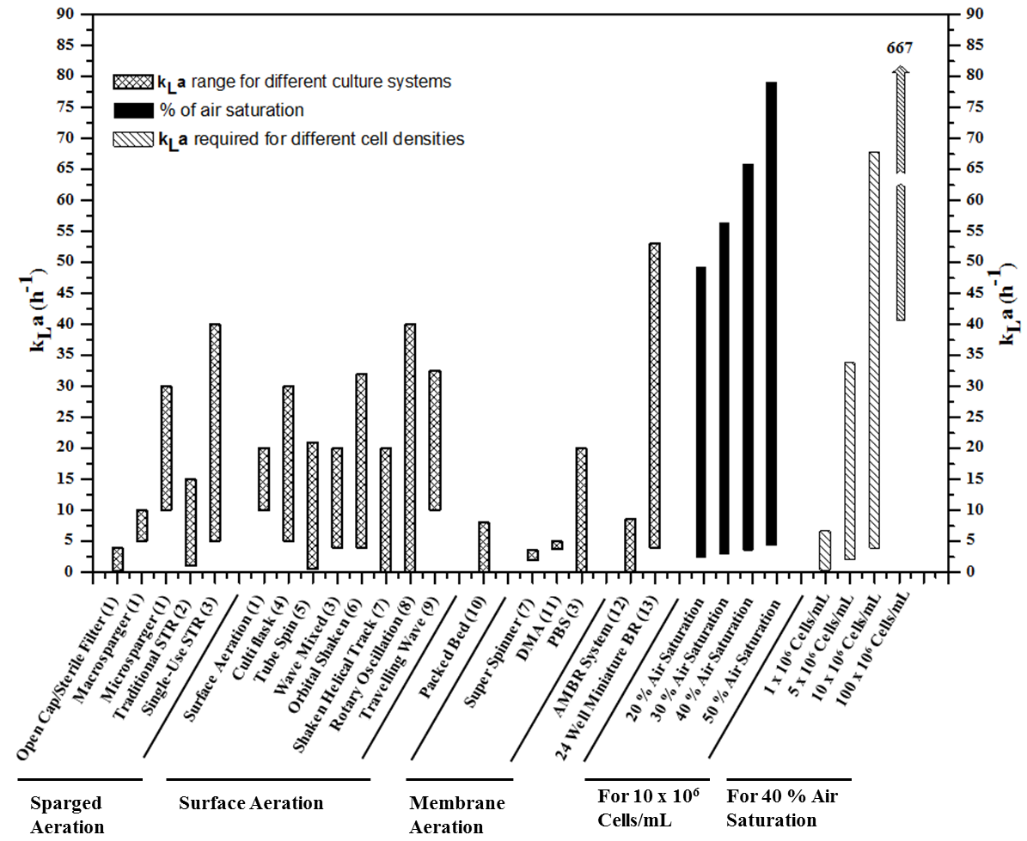
 |  |  | Traditional STR (2) | 1 | 15 | Nienow 2006
 |  |  | Single-Use STR (3) | 5 | 40 | Loffelholz et al. 2013b
 |  |  | -- | -- | --
 |  | Surface aeration | Surface Aeration (1) | 10 | 20 | Portner 2015
 |  |  | Cultiflask (4) | 5 | 30 | Eibl and Eibl 2009
 |  |  | Tube Spin (5) | 0.5 | 21 | de Jesus and Wurm 2011
 |  |  | Wave Mixed (3) | 4 | 20 | Loffelholz et al. 2013b
 |  |  | Orbital Shaken (6) | 4 | 32 | Klockner et al. 2013
 |  |  | Shaken Helical Track (7) | -- | 20 | Zhang et al. 2008
 |  |  | Rotary Oscillation (8) | -- | 40 | Kauling et al. 2013
 |  |  | Travelling Wave (9) | 10 | 32.5 | Kaiser et al. 2016
 |  |  | -- | -- | --
 |  |  | Packed Bed (10) | -- | 8 | Shakibaie et al. 2011
 |  | Membrane aeration | -- | -- | --
 |  |  | Super Spinner (7) | 1.9 | 3.5 | Zhang et al. 2008
 |  |  | DMA (11) | 3.7 | 4.98 | van Hecke et al. 2011
 |  |  | PBS (3) | -- | 20 | Loffelholz et al. 2013b
 |  |  | -- | -- | --
 |  |  | AMBR System (12) | -- | 8.5 | de Wilde et al. 2014
 |  |  | 24 Well Miniature BR (13) | 4 | 53 | Betts et al. 2014
 |  | % air saturation for 10 x 106 cells/ mL | -- | -- | --
 |  |  | 20% air saturation | 3.1 | 50 | For detailed calculations, please follow the worksheet (T 2-3)
 |  |  | 30% air saaturation | 3.6 | 57.1
 |  |  | 40% air saaturation | 4.2 | 66.7
 |  |  | 50% air saaturation | 5 | 80
 |  | Different Cell densities at 40 % air saturation | -- | -- | --
 |  |  | 1 x 10^6 cells/mL | 0.4 | 6.7
 |  |  | 5 x 10^6 cells/mL | 2.1 | 33.3
 |  |  | 10 x 10^6 cells/mL | 4.2 | 66.7
 |  |  | 100 x 10^6 cells/mL | 42 | 667

Bibliography

1 | Pörtner R. Bioreactors for Mammalian Cells. In: Al-Rubeai M, ed. Animal Cell Culture. Cell Engineering, Vol 9. Springer International Publishing Switzerland; 2015:89-135. doi:10.1007/978-3-319-10320-4_4.
2 | Nienow AW. Reactor engineering in large scale animal cell culture. Cytotechnology. 2006;50(1-3):9-33. doi:DOI 10.1007/s10616-006-9005-8.
3 | Löffelholz C, Kaiser SC, Kraume M, Eibl R, Eibl D. Dynamic Single-Use Bioreactors Used in Modern Liter- and m 3 - Scale Biotechnological Processes : Engineering Characteristics and Scaling Up. Springer Berlin Heidelberg; 2013. doi:10.1007/10_2013_187.
4 | Regine Eibl, Dieter E. Disposable Bioreactors in Cell Culture-Based Upstream Processing. BioProcess Int. 2009;7(2):18-23. Available at: http://www.bioprocessintl.com/wp-content/uploads/2014/08/BPI_A_090702SUPAR04__78862a.pdf. Accessed April 8, 2015.
5 | De Jesus M, Wurm FM. Manufacturing recombinant proteins in kg-ton quantities using animal cells in bioreactors. Eur J Pharm Biopharm. 2011;78(2):184-188. doi:10.1016/j.ejpb.2011.01.005.
6 | Klöckner W, Gacem R, Anderlei T, Raven N, Schillberg S, Lattermann C, Buchs J. Correlation between mass transfer coefficient kLa and relevant operating parameters in cylindrical disposable shaken bioreactors on a bench-to-pilot scale. J Biol Eng. 2013;7(1):28. doi:10.1186/1754-1611-7-28.
7 | Zhang X, Stettler M, Reif O, Kocourek A, Dejesus M, Hacker DL, Wurm FM. Shaken helical track bioreactors: Providing oxygen to high-density cultures of mammalian cells at volumes up to 1000 L by surface aeration with air. N Biotechnol. 2008;25(1):68-75. doi:10.1016/j.nbt.2008.03.001.
8 | Kauling J, Brod H, Jenne M, Waldhelm A, Langer U, Bödeker B. Novel, rotary oscillated, scalable single-use bioreactor technology for the cultivation of animal cells. Chemie Ing Tech. 2013;85(1-2):127-135. doi:10.1002/cite.201200155.
9 | Kaiser SC, Perepelitsa N, Kraume M, Eibl D. Development of the Travelling Wave Bioreactor. Part II: Engineering characteristics and cultivation results. Chemie Ing Tech. 2016;88(1-2):86-92. doi:10.1002/cite.201500091.
10 | Shakibaie M, Tabandeh F, Zomorodipour AR, Mohammad-Beigi H, Ebrahimi S, Habib-Ghomi H. Kinetics, Experimental and Simulation Studies of Chinese Hamster Ovary Cell Growth in a Packed-Bed Bioreactor. World Appl Sci J. 2011;15(11):1568-1575. Available at: https://pdfs.semanticscholar.org/d8d9/3d2642b100bf0a5369d79fe7a39e3d90afbb.pdf. Accessed September 27, 2017.
11 | Van Hecke W, Haltrich D, Frahm B, Brod H, Dewulf J, Van Langenhove H, Ludwig R. A biocatalytic cascade reaction sensitive to the gas–liquid interface: Modeling and upscaling in a dynamic membrane aeration reactor. J Mol Catal B Enzym. 2011;68(2):154-161. doi:10.1016/j.molcatb.2010.10.004.
12 | De Wilde D, Dreher T, Zahnow C, Husemann U, Greller G, Adams T, Fenge C. Superior scalability of single-use bioreactors. Innov Cell Cult. 2014;12(8):14. Available at: http://www.sartorius.com/fileadmin/media/global/products/12-5-sup_DeWilde_PREPRINTVERSION.pdf. Accessed July 9, 2015.
13 | Betts JPJ, Warr SRC, Finka GB, Uden M, Town M, Janda JM, Baganz F, Lye GJ. Impact of aeration strategies on fed-batch cell culture kinetics in a single-use 24-well miniature bioreactor. Biochem Eng J. 2014;82:105-116. doi:10.1016/J.BEJ.2013.11.010.

