Figure 6-1
Aim: To determine the time-dependent IC50 value of the anti-cancer drug PAN on the Vero cells.

Drug conc. used |  | Time of Exposure (OD at 570 nm)
 | y |  |  |  |  | y
X
ug/mL | 48 h |  |  | AVG | SD | 72 h |  |  | AVG | SD
200 | 1.17 | 1.10 | 1.11 | 1.13 | 0.04 | 0.62 | 0.60 | 0.67 | 0.63 | 0.03
100 | 1.52 | 1.57 | 1.57 | 1.55 | 0.03 | 1.30 | 1.43 | 1.46 | 1.40 | 0.09
50 | 2.00 | 1.65 | 1.66 | 1.77 | 0.20 | 1.56 | 1.57 | 1.58 | 1.57 | 0.01
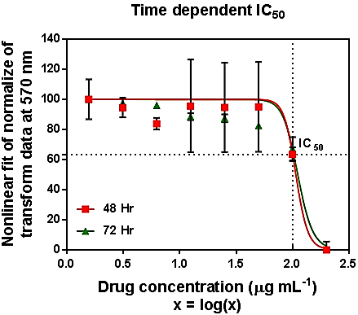
25 | 1.99 | 1.65 | 1.65 | 1.76 | 0.20 | 1.64 | 1.59 | 1.65 | 1.63 | 0.03
12.5 | 2.01 | 1.65 | 1.65 | 1.77 | 0.21 | 1.65 | 1.61 | 1.66 | 1.64 | 0.03
6.25 | 1.67 | 1.69 | 1.72 | 1.69 | 0.03 | 1.70 | 1.74 | 1.73 | 1.72 | 0.02
3.12 | 1.81 | 1.73 | 1.75 | 1.76 | 0.04 | 1.73 | 1.76 | 1.74 | 1.74 | 0.01
1.56 | 1.90 | 1.73 | 1.76 | 1.80 | 0.09 | 1.76 | 1.78 | 1.77 | 1.77 | 0.01

 | Normalization of transform of data through GraphPad Prism
transform X=Log(X)
 |  |  |  | AVG | SD |  |  |  | AVG | SD
2.30 | 6.31 | -4.14 | -2.17 | 0.00 | 5.55 | -0.94 | -2.42 | 3.36 | 0.00 | 3.00
2.00 | 58.20 | 65.91 | 66.20 | 63.44 | 4.53 | 58.32 | 70.43 | 72.80 | 67.18 | 7.77
1.70 | 129.45 | 77.02 | 78.61 | 95.02 | 29.82 | 81.58 | 82.58 | 83.64 | 82.60 | 1.03
1.40 | 128.72 | 77.24 | 77.86 | 94.61 | 29.55 | 88.39 | 84.52 | 89.45 | 87.45 | 2.59
1.10 | 131.17 | 77.30 | 78.18 | 95.55 | 30.85 | 89.14 | 86.00 | 90.42 | 88.52 | 2.27
0.80 | 80.01 | 83.68 | 87.76 | 83.82 | 3.87 | 94.03 | 96.98 | 96.85 | 95.95 | 1.67
0.49 | 101.75 | 89.11 | 92.57 | 94.48 | 6.53 | 96.85 | 98.68 | 96.97 | 97.50 | 1.02
0.19 | 115.09 | 90.24 | 94.67 | 100.00 | 13.25 | 99.22 | 101.18 | 99.60 | 100.00 | 1.04

Using Non linear fit for tranform of data [[Inhibitor] vs. normalized response -- Variable slope ]

 |  |  | 48 h | 72 h
IC50 values obtained |  | Log (X) value | 2.03 | 2.05
 |  | Drug Con. (µg mL-1 ) | 107 | 112
 |  |  |  |  |  |  |  |  |  |  | Figure 6 1 Time-dependent profile of inhibitory dose (IC50) of PAN on the Vero cells post-exposure at 48 and 72 hours. Error bars show the standard deviation of n=3 replicates. The intersection of the dotted lines indicates the value of IC50

