Two-stage flotation process
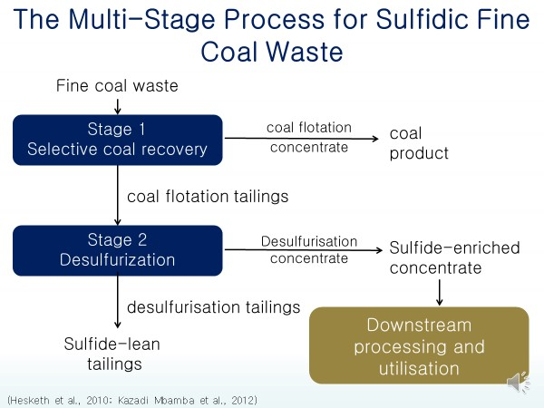
 | The multi-stage separation process aims at separating mine waste into a recovered valuable production section, a sulfide-lean component, which can be used in a variety of applications, and a sulfide-rich component, which this work has focussed on finding ways of reusing. The purpose of the separation step is to recover different streams with specific characteristics for repurposing for other applications to avoid land disposal and the associated environmental risks. This work sheet shows the flotation test results achieved, so that the characteristics of the sulfide-enriched stream can be better understood, as well as the major mineral content of the feed stream to the separation process, so that the environmentally active elements in the stream can be identified.

 | Numbers flagged in light yellow are the essence of a table
 | Numbers flagged in bright yellow are important to the argument
 | Raw numbers that had to be converted to be consistent with the rest of the table

References:
Howlett, N. and Marsden, A. (2013) Desulphurisation of coal by two-stage froth flotation. Cape Town.
Iroala, O.J., 2014. Comparison of froth flotation and gravity separation of the Waterberg and Witbank coal ultrafines in terms of mitigating ARD potential. https://open.uct.ac.za/bitstream/handle/11427/13676/thesis_ebe_2014_iroala_oj.pdf;sequence=1
Kazadi Mbamba, C. et al. (2012) ‘Mitigating acid rock drainage risks while recovering low-sulfur coal from ultrafine colliery wastes using froth flotation’, Minerals Engineering. Elsevier Ltd, 29, pp. 13–21. doi: 10.1016/j.mineng.2012.02.001.
Kotelo, L. O. (2013) Characterising the acid mine drainage potential of fine coal wastes. University of Cape Town. https://open.uct.ac.za/handle/11427/12574
Magabane, J. and Naidoo, R. (2011) Preliminary study of the separation of coal, sulphide and ash-forming minerals from coal. Cape Town.
Moyo, A. (2018) Characterising the potential environmental risks of South African coal processing wastes. University of Cape Town. https://open.uct.ac.za/handle/11427/29832
Pinetown, K. L., Ward, C. R., and Van der Westhuizen, W. A.(2007) 'Quantitative evaluation of minerals in coal deposits in the Witbank and Highveld Coalfields , and the potential impact on acid mine drainage,' International Journal of Coal Geology, 70, pp. 166–183.

Flotation test results
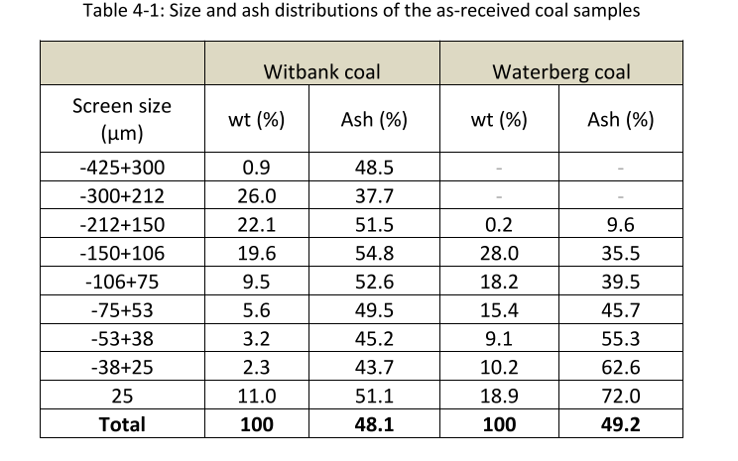
Flotation test results | This table shows the results of various two-stage flotation test runs that have been conducted at UCT. The highlighted columns give an idea how big the sulfide-enriched stream is relative to the feed stream and how much sulfur has been concentrated in it. |  |  |  |  |  |  |  |  | Sulfur speciation test results | This is the results of the sulfur speciation work done on two-stage flotation streams by Fundikwa (2015: 44). It was used to give an indication of how much of the sulfur in the sulfide-enriched stream is sulfide. This is only one set of results, so it is recognised that more sulfur speciation work must be done. |  |  |  |  | Particle size distribution of feed stream | This table shows the particle size distributions, as well as the ash content of two feed streams to the two-stage flotation process. It may be useful later on, but for now it is only added for interest (Iroala, 2014).
Paper/report | Coal sample | Ist Stage feed mass | Clean coal mass | Benign tailigns mass | Pyritic tailings
 |  |  |  |  | Sulfide-enriched material mass % of 1st stage feed | sulfur m% of sulfide-enriched stream | ash m% of sulfide-enriched stream | Mineral content | coal | Stream name | Feed | Coal concentrate | First Stage Tailings | Sulfide Rich Stream | Sulfide Lean
Magabane & Naidoo, 2011 | Big Coal Mining Company | 100 | 41 | 36 | 23 | 18.7 | 53.8 | 68.4 | 31.6 | Total Solids Deportment from Feed (%) | 100 | 30.2 | 69.8 | 2 | 68
Kazadi-Mbamba et al. 2012 | Middelburg | 100 | 19.7 | 67.2 | 13.1 | 2.68 | 28.9 | 32.7 | 67.3 | Stream Compositions (%)
Howlett & Marsden 2013 | Waterberg | 100 | 41.2 | 56.7 | 2.1 | 11.9 | 49.3 | 59.8 | 40.2 | Sulfide Sulfur | 1.07 | 1.14 | 1.04 | 12.8 | 0.69
 |  | 100 | 43.2 | 56 | 0.8 | 10.9 | 57.4 | 68.0 | 32.0 | Sulfates | 0.028 | 0.03 | 0.03 | 0.36 | 0.02
 |  | 100 | 44 | 54.3 | 1.7 | 13.2 | 51.3 | 62.7 | 37.3 | Organic Sulfur | 0.822 | 1.50 | 0.53 | 15.1 | 0.1
 |  | 100 | 46.8 | 52.4 | 0.8 | 10.8 | 57.6 | 68.1 | 31.9 | Total Sulfur | 1.92 | 2.66 | 1.6 | 28.3 | 0.81
 |  | 100 | 33.5 | 65 | 1.5 | 10.7 | 43.5 | 52.9 | 47.1 | Ash | 49.1 | 24.30 | 59.8 | 49.1 | 62.29
 |  | 100 | 20.6 | 78 | 1.4 | 9 | 45.4 | 54.0 | 46.0 | Fixed Carbon and Volatile matter | 49 | 73.00 | 38.6 | 22.6 | 36.9
 | Witbank | 100 | 8.7 | 85.1 | 6.2 | 5.4 | 27.3 | 32.5 | 67.5 | Pyrite as % of sulfur in feed | 0.557 | Pinetown et al., 2007 and Synman and Botha 1993 (mentioned in Kotelo, 2013) showed that pyrite is the predominant form of sulfide in coal
 |  | 100 | 17.7 | 76.8 | 5.5 | 6.1 | 26.6 | 32.1 | 67.9 | Pyrite as % of sulfur in sulfide concentrate | 0.452
 |  | 100 | 45.8 | 48.6 | 5.6 | 7.9 | 47.1 | 55.2 | 44.8 | Change in proportion | 0.812
 |  | 100 | 43.1 | 51.9 | 5 | 6.6 | 40 | 46.8 | 53.2
 |  | 100 | 35.2 | 61.9 | 2.9 | 8.2 | 34 | 41.2 | 58.8
 |  | 100 | 43.6 | 50.3 | 6.1 | 7.7 | 39.4 | 46.8 | 53.2 | Sulfur speciation in feed stream | These results were used to give an indication of the variability of sulfur speciation of different coals (Iroala, 2014: 49)
Iroala, 2014 | Waterberg | 100 | 30.2 | 67.6 | 2.2 | 17.6 | 60 | 74.5 | 25.5
 | Witbank | 100 | 26 | 63 | 11 | 10.7 | 36 | 44.8 | 55.2
 |  | These numbers give a sense of how much sulfur and coal can be expected in the sulfide-enriched stream |  | Average | 5.6 | 9.9 | 43.6 | Average | 47.5 |  | Witbank | Waterberg
 |  |  |  | MAX | 23.0 | 18.7 | 60.0 | MAX | 67.9 | Forms of Sulfur | Average %
 |  |  |  | MIN | 0.8 | 2.7 | 26.6 | MIN | 25.5 | Sulfide | 2.58 | 0.98
 |  |  |  |  |  |  |  |  |  | Sulfate | 1.44 | 0.5
 |  |  |  |  | Calculation of min & max pyrite expected in s-enriched material |  |  |  |  | Organic | 0.16 | 0.56
 |  | Pyrite composition |  |  |  |  |  |  |  | Total | 4.18 | 2.04
 |  | FeS2 | 120 |  |  |  |  |  |  | Pyrite as % of sulfur in feed | 0.617 | 0.48
 |  | Fe | S |  | Min S | 2.68 | This table uses the data on this spreadsheet to show how much pyrite is likely to be in our material. |  |  | Pyrite as probable % of sulfur in sulfide-rich stream | 0.501 | 0.39
 |  | 56 | 32 |  | Min FeS2 | 2.27
 |  |  |  |  | Max S | 18.7
 |  |  |  |  | Max FeS2 | 15.8

